Sheet1
SEPIC DC:DC Convertor Design Tool

Design Parameters

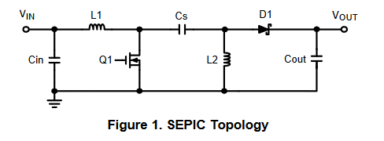
VIN (MIN) | 12.0 | Volts
VIN (MAX) | 24.0 | Volts
VOUT (MIN) | 10.0 | Volts
VOUT (MAX) | 15.0 | Volts
VOUT Ripple Voltage | 0.1 | Volts
VD | 0.5 | Volts | B360, 2 Amp, 25C
IOUT (MAX) | 1.0 | Amps
Switching frequency | 400,000 | Hz
Cs Value | 22 | uF

1. Duty cycle calculation

Duty cycle (MAX) | 68.9%
Duty cycle (MIN) | 26.6%

2. Inductor selection

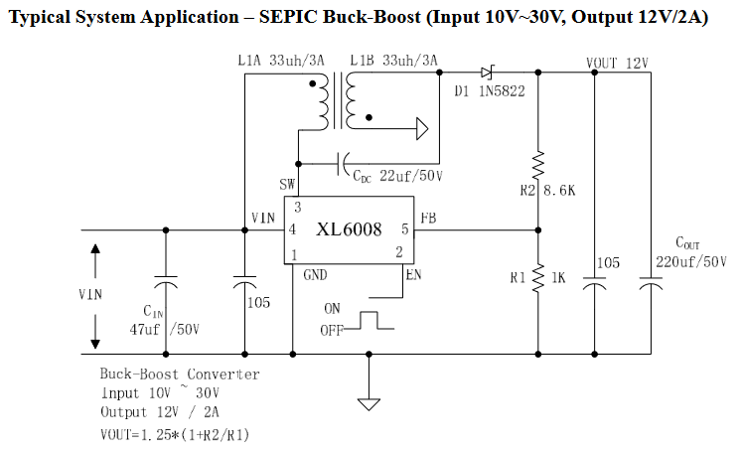
L1 Ripple current (worst-case) | 0.5 | Amps
Targeted inductance (L1 = L2) | 4.1333333333E-05 | Henry
 | 41.3 | uH
 | 0.04 | mH
L1 peak current | 1.55 | Amps
L2 peak current | 1.20 | Amps

3. Power MOSFET selection

MOSFET peak current | 2.75 | Amps
MOSFET RMS current | 1.72 | Amps
MOSFET voltage (MIN) | 39 | Volts

4. Output Diode Selection

Diode reverse voltage (MIN) | 39.00 | Volts
Diode average current | 1.00 | Amps

5. Coupling Capacitor Selection

Capacitor RMS current | 1.14 | Amps
Capacitor ripple voltage | 0.08 | Volts

6. Output Capacitor Selection

Capacitor RMS current | 1.14 | Amps
ESR (MAX) | 18.2 | mOhms
COUT (MIN) | 34 | uF

7. Input Capacitor Selection

Capacitor RMS current | 0.14 | Amps

